Appication BOYS STATE
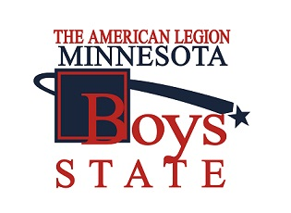

 | AMERICAN LEGION
 | NELSAN- HORTON POST #104
 | LITCHFIELD, MN 55355
 |  | 2021
 | APPLICATION for BOYS STATE

 | Student Name:

 | ADDRESS
 | City,State/Zip

 | Phone # | CELL: | Home:

 | E:MAIL:
 | DOB: / / AGE: SEX | M / F

 | Hobbies

 | Extra Curricula Activities

 | PARENT\Guardian Names
 | Address: | ______Check if Same as Above:
 | Phone/E:mail

 | Who will Chaperone for Events:

 | DATE:
 | Student Signature:

 | Parent's or Guardian Consent, disclaimer release Form
1 | I/we have read and received information conerning the American Legion Boys State Program and agree to allow our son/ to participate .
2 | I/we have been informed hereby that the American Legion will not assume libility for personal injury, property damage or any loss sustained.
3 | I/we for the privilege of our son to participate will hereby relinquish the American Legion, its officers, agents, their representatives,
 | employees and officials and officials of and from all claims, demands, actions and cause of action of any sort for any inuries sustained by
 | our son
5 | I/we understand we accept that it is our responsibility to provide transportation to and from these events.

 | Dated:

 | Parent or Guardian Signature: | Relationship

